PPM Productivity cycle 1
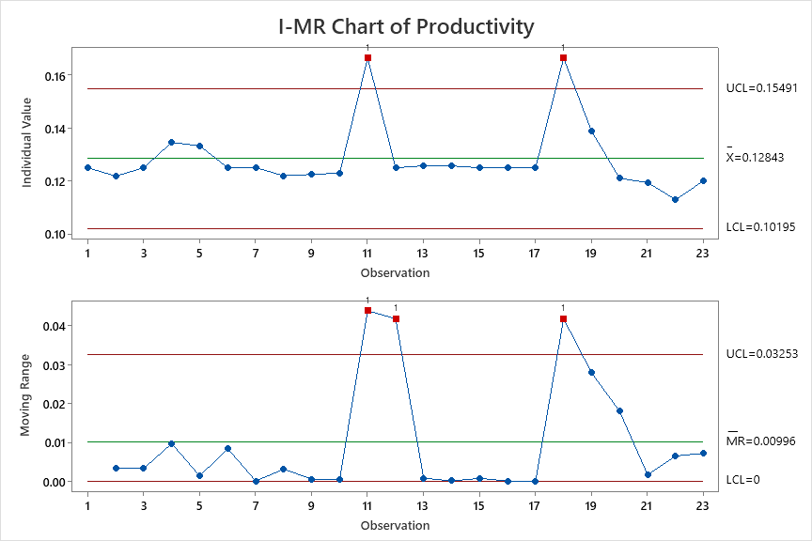
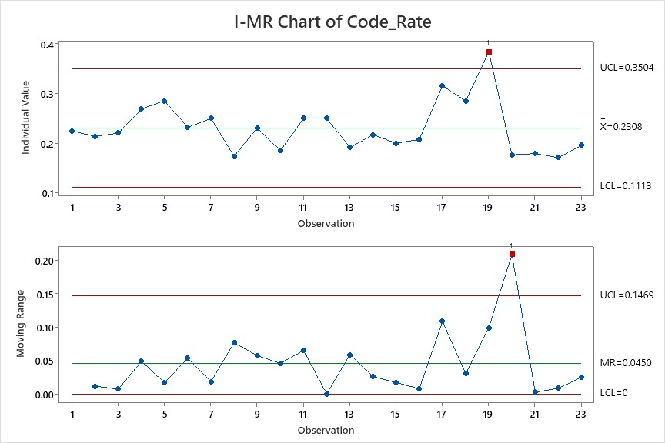
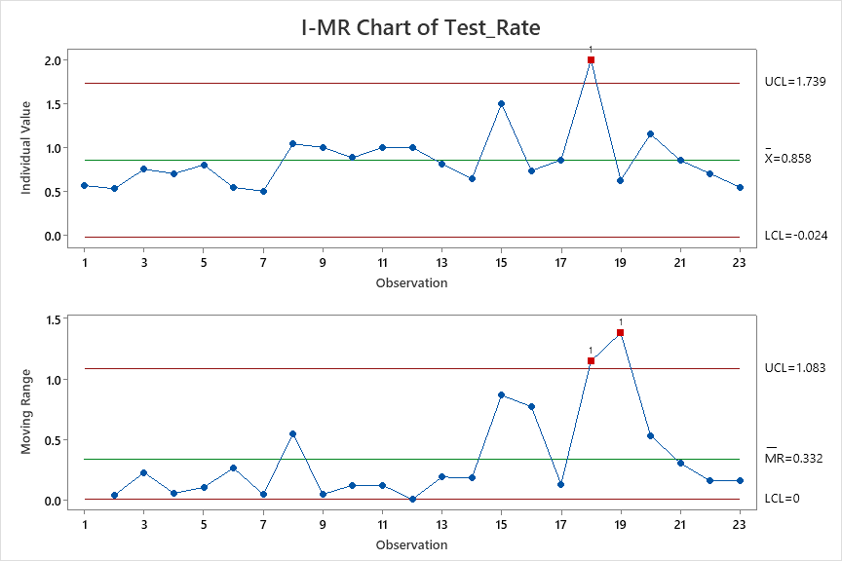
Productivity | Code_Rate | Test_Rate
0.125 | 0.225 | 0.563
0.122 | 0.213 | 0.528
0.125 | 0.221 | 0.750
0.135 | 0.269 | 0.700
0.133 | 0.286 | 0.800
0.125 | 0.232 | 0.542
0.125 | 0.250 | 0.500
0.122 | 0.174 | 1.042
0.122 | 0.231 | 1.000
0.123 | 0.185 | 0.882
0.167 | 0.250 | 1.000
0.125 | 0.250 | 1.000
0.126 | 0.191 | 0.815
0.126 | 0.217 | 0.639
0.125 | 0.200 | 1.500
0.125 | 0.208 | 0.733
0.125 | 0.316 | 0.857
0.167 | 0.286 | 2.000
0.139 | 0.385 | 0.625
0.121 | 0.176 | 1.154
0.119 | 0.179 | 0.853
0.113 | 0.171 | 0.700
0.120 | 0.196 | 0.545
0.013154742365

 |  |  |  |  |  | AS-IS | Productivity | Coding Rate | Testing Rate
 |  |  |  |  |  | Mean | 0.12843 | 0.2308 | 0.858
 |  |  | Regression Equation |  |  | SD | 0.009 | 0.040 | 0.294
 |  |  | Productivity | = | 0.0821 + 0.1296 Code_Rate + 0.01913 Test_Rate | UCL | 0.15491 | 0.3504 | 1.739
 |  |  |  |  |  | LCL | 0.10195 | 0.1113 | -0.024

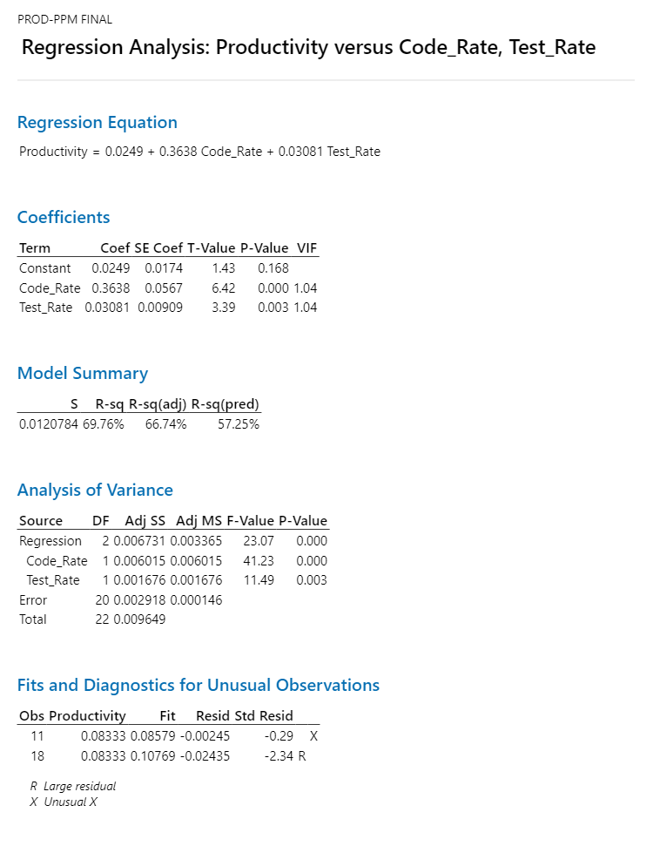
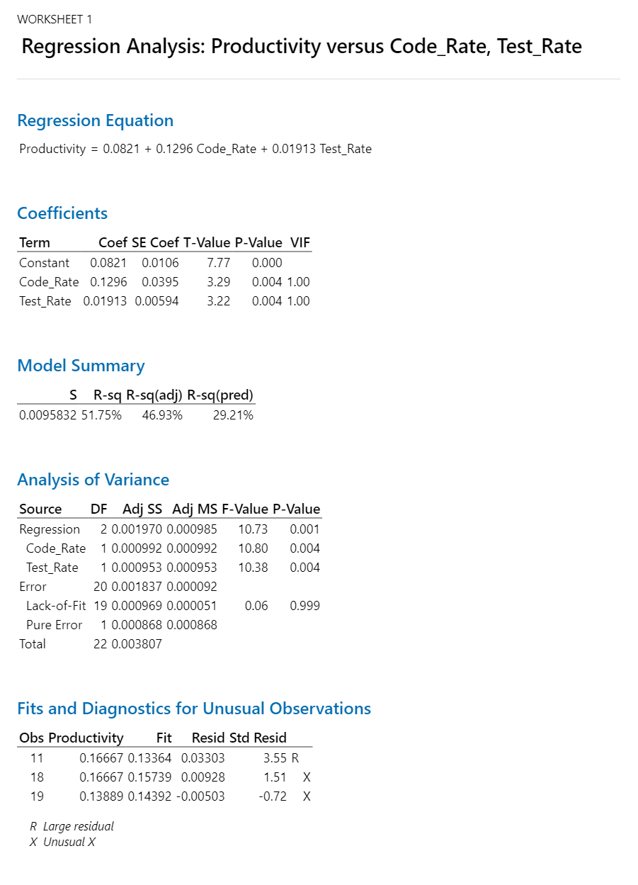

 |  |  |  |  |  |  | AS-IS | Productivity | Coding Rate | Testing Rate
 |  |  |  |  |  |  | Mean | 0.12843 | 0.2308 | 0.858 | 7.7863427548
 |  |  |  |  |  |  | SD | 0.009 | 0.040 | 0.294
 |  |  |  |  |  |  | UCL | 0.15491 | 0.3504 | 1.739
 |  |  |  |  |  |  | LCL | 0.10195 | 0.1113 | -0.024

 |  |  |  |  |  |  | Target | Productivity
 |  |  |  |  |  |  | Mean | 0.141273 |  | 0.012843
 |  |  |  |  |  |  | SD | 0.05

 |  |  |  |  |  |  | What if | Productivity | Coding Rate | Testing Rate
 |  |  |  |  |  |  | Mean | 0.1411716 | 0.32 | 0.92 | 3.125 | 1.0869565217
 |  |  |  |  |  |  | SD | 0.05 | 0.05 | 0.05
 |  |  |  |  |  |  | USL | 0.2911716 | 0.47 | 1.07
 |  |  |  |  |  |  | LSL | -0.0088284 | 0.17 | 0.77

 |  |  |  |  |  |  |  |  |  |  |  |  | 0.1407 | 0.14285714286
 |  |  |  |  |  |  |  |  |  |  |  |  |  | 0.14084507042

 |  |  |  |  |  |  |  |  |  |  |  |  |  | 0.14084507042

 |  |  |  |  |  |  |  |  |  |  |  |  |  | 0.15384615385 | set for cycle 3

 |  |  |  |  |  |  |  |  |  |  |  |  |  | 0.1724137931
 |  |  |  |  |  |  |  |  |  |  |  |  |  | 0.13888888889

PPM Cycle Time Cycle 1
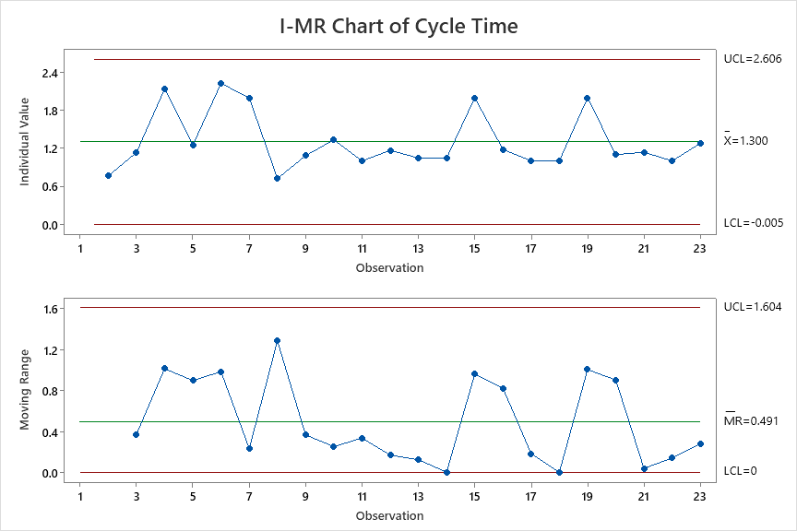
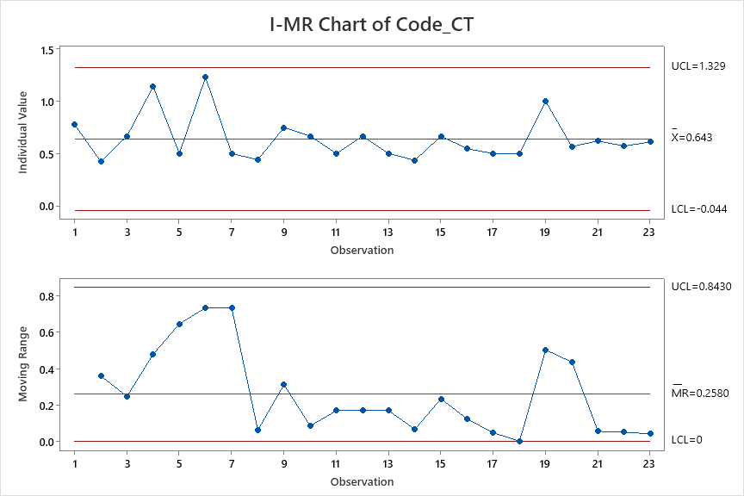
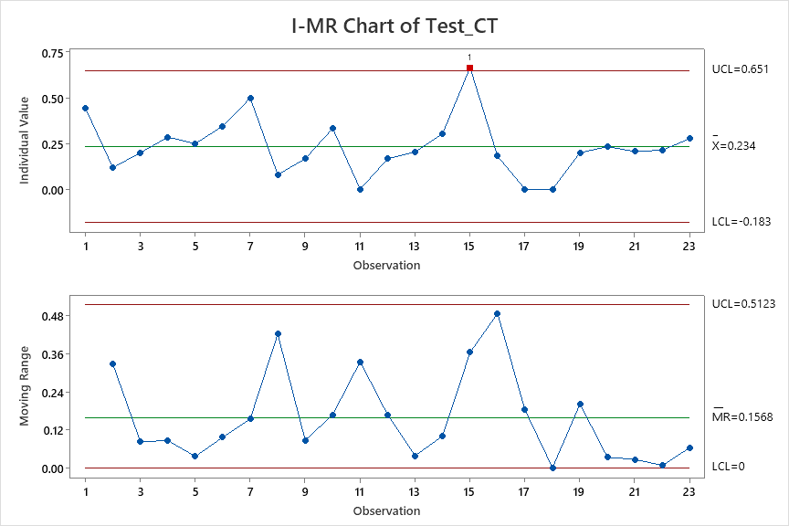
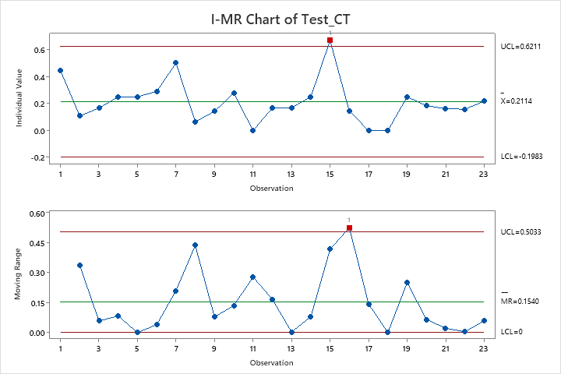
Cycle Time | Code_CT | Test_CT
2.22 | 0.78 | 0.44
0.76 | 0.42 | 0.12
1.13 | 0.67 | 0.20
2.14 | 1.14 | 0.29 |  |  |  |  |  |  | 0.627
1.25 | 0.50 | 0.25
2.23 | 1.23 | 0.35 |  |  |  |  |  |  | 1.414 | 0.2114
2.00 | 0.50 | 0.50 |  |  |  |  |  |  | -0.16 | 0.6211
0.72 | 0.44 | 0.08 |  |  |  |  |  |  |  | -0.1983
1.08 | 0.75 | 0.17
1.33 | 0.67 | 0.33
1.00 | 0.50 | 0.00
1.17 | 0.67 | 0.17
1.05 | 0.50 | 0.20
1.04 | 0.43 | 0.30
2.00 | 0.67 | 0.67
1.18 | 0.55 | 0.18
1.00 | 0.50 | 0.00
1.00 | 0.50 | 0.00
2.00 | 1.00 | 0.20
1.10 | 0.57 | 0.23
1.14 | 0.62 | 0.21
1.00 | 0.57 | 0.21
1.28 | 0.61 | 0.28 | Regression Equation
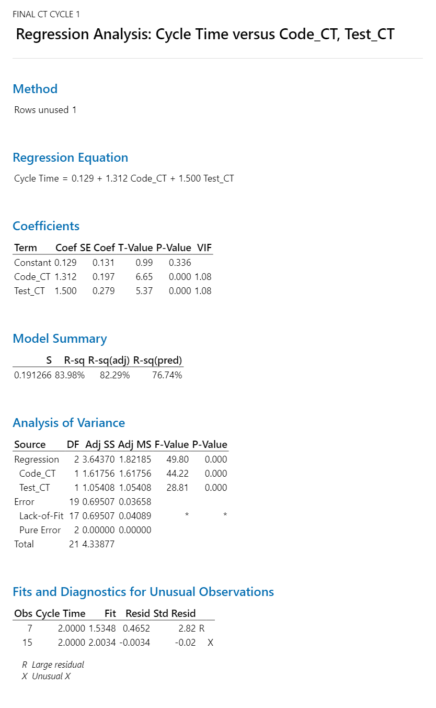
 |  |  | Cycle Time | = | 0.129 + 1.312 Code_CT + 1.500 Test_CT

 |  |  |  | AS-IS | Cycle time | Code_CT | Test_CT
 |  |  |  | Mean | 1.3 | 0.643 | 0.234
 |  |  |  | SD | 0.435 | 0.229 | 0.139
 |  |  |  | UCL | 2.606 | 1.329 | 0.651
 |  |  |  | LCL | -0.005 | -0.044 | -0.183

 |  |  |  | Target | Cycle time
 |  |  |  | Mean | 1.17 |  | 0.13
 |  |  |  | SD | 0.25 |  |  | 0.90065230769

 |  |  |  | What if | Cycle time | Code_CT | Test_CT
 |  |  |  | Mean | 1.170848 | 0.554 | 0.21
 |  |  |  | SD | 0.25 | 0.1 | 0.5
 |  |  |  | USL | 1.920848 | 0.854 | 1.71
 |  |  |  | LSL | -0.5 | -0.2 | -1

PPM - DRE Cycle 1
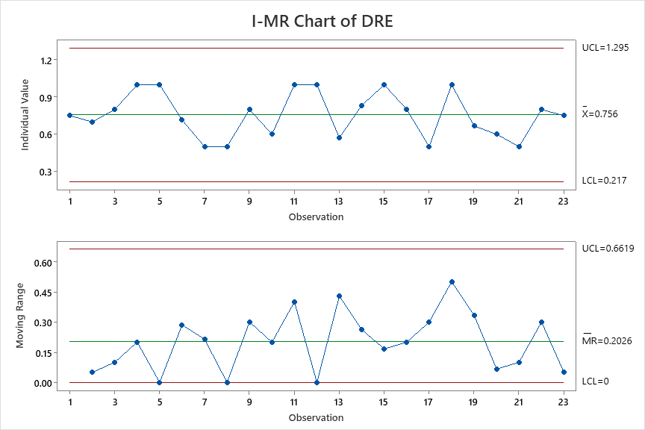
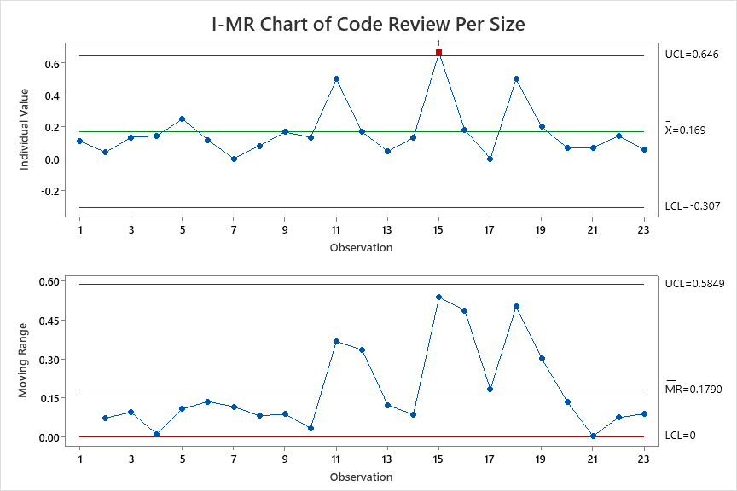
DRE | Code Review Per Size
0.750 | 0.111
0.700 | 0.039
0.800 | 0.133
1.000 | 0.143
1.000 | 0.250
0.714 | 0.115
0.500 | 0.000
0.500 | 0.080
0.800 | 0.167
0.600 | 0.133
1.000 | 0.500
1.000 | 0.167
0.571 | 0.045
0.833 | 0.130
1.000 | 0.667
0.800 | 0.182
0.500 | 0.000
1.000 | 0.500
0.667 | 0.200
0.600 | 0.067
0.500 | 0.069
0.800 | 0.143
0.750 | 0.056

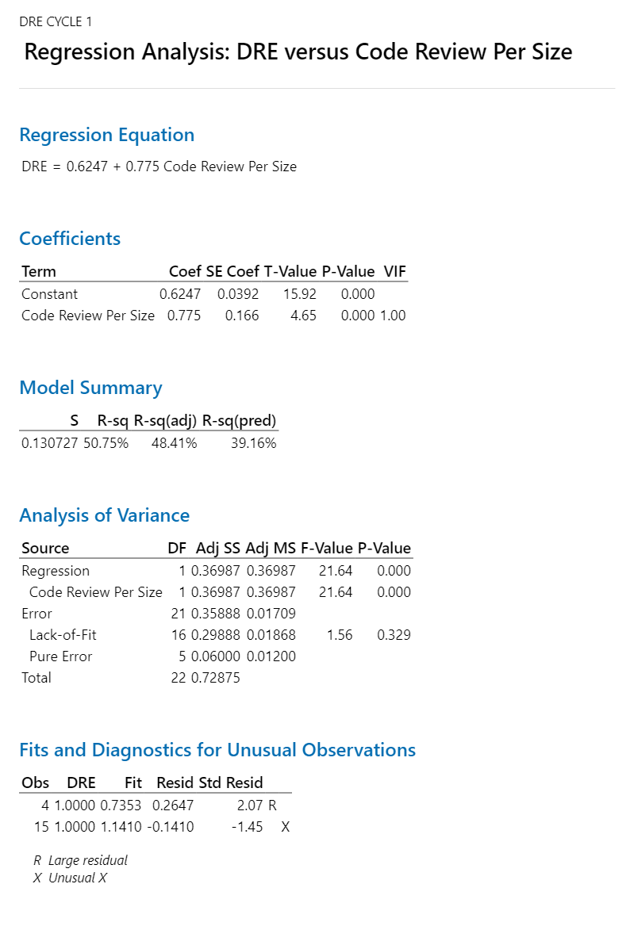
 |  | Regression Equation
 |  | DRE | = | 0.6247 + 0.775 Code Review Per Size

 |  |  | AS-IS | DRE | Code Review Per Size
 |  |  | Mean | 0.756 | 0.169
 |  |  | SD | 0.180 | 0.159
 |  |  | UCL | 1.295 | 0.646
 |  |  | LCL | 0.217 | -0.307

 |  |  | Target | DRE
 |  |  | Mean | 0.79 |  | 0.0378
 |  |  | SD | 0.10

 |  |  | What if | DRE | Code Review Per Size
 |  |  | Mean | 0.7952 | 0.22
 |  |  | SD | 0.1 | 0.05
 |  |  | USL | 1.0952 | 0.37
 |  |  | LSL | 0.4952 | 0.07

